PopulationGrowth.Overview
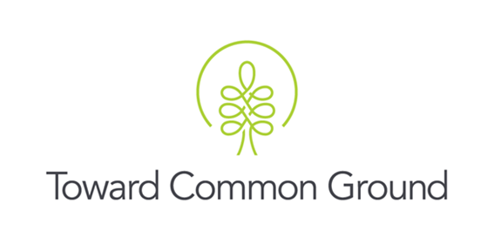

Local Demographic Highlights
Characteristic: Population Trends
Measure: Population growth
Source: Census of the Population

About the Measure: The census of the population is mandatory and conducted once every five years. The census gathers information from all Canadian citizens, landed immigrants and non-permanent residents (people who have a work or student permit or refugee status). The census captures information from the entire population about demographic, social, and economic characteristics.1 1Source: Statistics Canada. (2016). Census of Population. http://www23.statcan.gc.ca/imdb/p2SV.pl?Function=getSurvey&SDDS=3901

Key Findings: In 2021, the population in Guelph was 143,740 people and the population of Wellington County (excluding Guelph) was 97,286. Since 2016, the population of Guelph increased by 9.1%, while the population of Wellington County (excluding Guelph) increased by 7.0%. At the same time, population increases for Ontario and Canada were 5.8% and 5.2%, respectively.

Table 1: Total population in Guelph and Wellington County
 | 2001 | 2006 | 2011 | 2016 | 2021
Guelph | 106,170 | 114,943 | 121,688 | 131,794 | 143,740
Wellington County (excluding Guelph) | 81,143 | 85,482 | 86,672 | 90,932 | 97,286
Wellington County (including Guelph) | 187,313 | 200,425 | 208,360 | 222,726 | 241,026
Ontario | 11,410,046 | 12,160,282 | 12,851,821 | 13,448,494 | 14,223,942
Canada | 30,007,094 | 31,612,897 | 33,476,688 | 35,151,728 | 36,991,981
Source: Statistics Canada. (2021). Population and dwelling counts, 2001 census. [Archived]. https://www12.statcan.gc.ca/english/census01/products/standard/popdwell/tables.cfm
Source: Statistics Canada. (2010). Population and dwelling count highlight tables, 2006 census. [Archived]. https://www12.statcan.gc.ca/census-recensement/2006/dp-pd/hlt/97-550/Index.cfm?Page=INDX&LANG=Eng
Source: Statistics Canada. (2017). Wellington, CTY [Census division], Ontario and Guelph, CY [Census subdivision], Ontario (table). Census Profile. 2016 Census. Statistics Canada Catalogue no. 98-316-X2016001. Ottawa. Released November 29, 2017. https://www12.statcan.gc.ca/census-recensement/2016/dp-pd/prof/index.cfm?Lang=E (accessed March 4, 2022).
Source: Statistics Canada. (2022). (table). Census Profile. 2021 Census. Statistics Canada Catalogue no. 98-316-X2021001. Ottawa. Released February 9, 2022. https://www12.statcan.gc.ca/census-recensement/2021/dp-pd/prof/index.cfm?Lang=E (accessed March 4, 2022).

Table 2: Population change from 2001
 | 2001 | 2006 | 2011 | 2016 | 2021
Guelph | #N/A | 8.26% | 14.62% | 24.13% | 35.39%
Wellington County (excluding Guelph) | #N/A | 5.35% | 6.81% | 12.06% | 19.89%
Wellington County (including Guelph) | #N/A | 7.00% | 11.24% | 18.91% | 28.68%
Ontario | #N/A | 6.58% | 12.64% | 17.87% | 24.66%
Canada | #N/A | 5.35% | 11.56% | 17.14% | 23.28%

Table 3: Population change from previous census year
 | 2001 | 2006 | 2011 | 2016 | 2021
Guelph | #N/A | 8.26% | 5.87% | 8.30% | 9.06%
Wellington County (excluding Guelph) | #N/A | 5.35% | 1.39% | 4.92% | 6.99%
Wellington County (including Guelph) | #N/A | 7.00% | 3.96% | 6.89% | 8.22%
Ontario | #N/A | 6.58% | 5.69% | 4.64% | 5.77%
Canada | #N/A | 5.35% | 5.90% | 5.00% | 5.24%

Notes: 1. If you have any questions or concerns about these data, please contact: sarahh@towardcommonground.ca
1. If you have questions about these data, please contact: towardcommonground@guelphchc.ca

Updated: May 31, 2023

