Homelessness.Overview
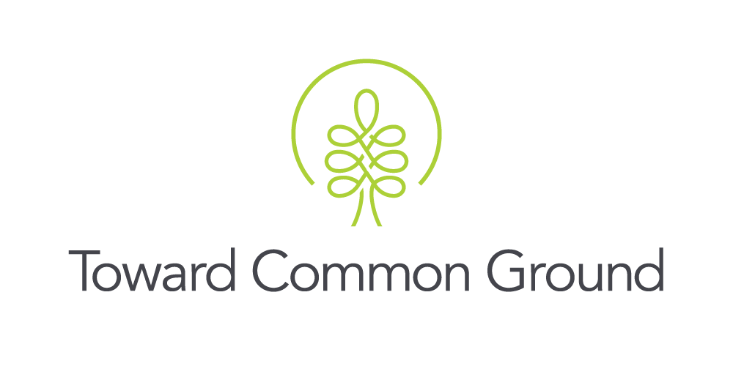

Domain: Household and Economic Resources
Concept: Housing and Homelessness
Indicator: Homelessness
Measure: Number of People who are Homeless
Source: Guelph and Wellington Task Force for Poverty Elimination

About the Measure: The tables below present information about people in Guelph and Wellington County who were identified as homeless in 2016, 2018, and 2021. The most recent Homelessness Point-in-Time Count was conducted by volunteers who identified and counted people who were homeless on October 20, 2021 in Guelph and Wellington County. Two different surveys were used to gather information: the Vulnerability Index-Service Prioritization Decision Assistance Tool (VI-SPDAT) and the Ontario Enumeration Survey. In 2021, a unique identifier was integrated into the count which allowed staff to identify and count individuals experiencing homelessness who did not complete the surveys and were known to be staying in emergency or domestic violence shelters on October 20, 2021, as well as those actively homeless on the Guelph-Wellington By-Name List in October. The unique identifier was used to ensure no one was counted more than once.* The 2021 Homelessness Point-in-Time Count gives a "snapshot" of the number of people experiencing homelessness at one point in the year. The count may not capture changes in the population's demographics or size that result from seasonal or other influences.** *Source: County of Wellington Housing Services. (2021). Guelph-Wellington 2021 Everyone Counts. https://www.wellington.ca/en/social-services/hs-2021-pit-count.aspx **Source: Ellery, R. (2018). Everyone Counts: 2018 Guelph-Wellington Point-in-Time Count. Guelph, ON: Guelph & Wellington Task Force for Poverty Elimination. https://www.gwpoverty.ca/wp-content/uploads/2018/04/Everyone-Counts-2018-Point-in-Time-Count.pdf

Key Findings: In total, 270 people were identified as homeless in Guelph and Wellington County during the 2021 Homelessness Point-in-Time Count. One hundred eighty-five (185) individuals completed the surveys: 141 adults (age 25 years and over), 20 unaccompanied youth (age 16 to 24 years), and 24 child dependents (age 18 years and younger). An additional 85 individuals were identified as homeless through administrative data; age and dependency status were not collected for these individuals. Homelessness does not affect all individuals equally. Nearly 1 in 4 survey respondents (23%) identified as Indigenous. The majority of survey respondents (65%) also identified as male and 2% identified as non-cis gender. Due to the limitations of a point-in-time count (see notes below), this should be considered the minimum number of people who are homeless in our community.* *Source: County of Wellington Housing Services. (2021). Guelph-Wellington 2021 Everyone Counts. https://www.wellington.ca/en/social-services/hs-2021-pit-count.aspx

Table 1: People Experiencing Homelessness by Age in Guelph and Wellington (2021)
 | 2021
Dependent Children (15 and under) | N/A
Dependent Children (18 and younger) | 24
Unaccompanied Youth (16-24 years) | 20
Adults (25 years and older) | 141
Age Unknown | 0
Age and Dependency Status Unknown | 85
Total | 270

Source: County of Wellington Housing Services. (2021). Guelph-Wellington 2021 Everyone Counts. https://www.wellington.ca/en/social-services/hs-2021-pit-count.aspx

Table 2: People Experiencing Homelessness in Guelph and Wellington by Selected Demographics (2021)
 | # of people surveyed | % of all people surveyed
Wellington County (not including Guelph) Residents | 19 | 12%
People who Identify as Indigenous | 37 | 23%
People who Identify as Male | N/A | 65%
People who Identify as Female | N/A | 33%
People who Identify as Non-CIS Gender | N/A | 2%

Source: County of Wellington Housing Services. (2021). Guelph-Wellington 2021 Everyone Counts. https://www.wellington.ca/en/social-services/hs-2021-pit-count.aspx

Table 3: People Experiencing Homelessness by Age in Guelph and Wellington (2016, 2018)
 | 2016 | 2018
Dependent Children (15 and under) | 13 | N/A
Dependent Children (18 and younger) | N/A | 34
Unaccompanied Youth (16-24 years) | 70 | 93
Adults (25 years and older) | 212 | 195
Age Unknown | 0 | 3
Age and Dependency Status Unknown | 0 | 0
Total | 295 | 325

Source:
Ellery, R. (2016). Guelph-Wellington Registry Week 2016. Guelph, ON: Guelph & Wellington Task Force for Poverty Elimination. https://homelesshub.ca/resource/guelph-wellington-registry-week-2016
Ellery, R. (2018). Everyone Counts: 2018 Guelph-Wellington Point-in-Time Count. Guelph, ON: Guelph & Wellington Task Force for Poverty Elimination. https://www.gwpoverty.ca/wp-content/uploads/2018/04/Everyone-Counts-2018-Point-in-Time-Count.pdf

Notes: 1. In 2016, children were included as dependent if they were 15 years old and under. In 2018 and 2021, dependent children included children 18 years old and under. 2. It is impossible to have an exact number of people who are homeless because some people who are homeless may not be known to service providers and/or may be part of the hidden homeless (people who "live temporarily with others but without guarantee of continued residency or immediate prospects for accessing permanent housing").** 3. The 2021 results are not directly comparable to the 2018 Point-in-Time Count due to changes in methodology. The 2018 count only included individuals that completed the survey whereas the 2021 count also included individuals staying in the shelter system and on the by-name list. The COVID-19 pandemic also influenced how the 2021 count was carried out. In 2018, the count involved over 100 staff and volunteers deployed in April (over 3 days in Guelph and over a week in Wellington County). In 2021, the count involved fewer staff and volunteers deployed in October over 2 days in both Guelph and Wellington County.* 4. If you have any questions or concerns about these data, please contact: sarahh@towardcommonground.ca *Source: County of Wellington Housing Services. (2021). Guelph-Wellington 2021 Everyone Counts. https://www.wellington.ca/en/social-services/hs-2021-pit-count.aspx **Source: Canadian Observatory on Homelessness. (2012). Canadian Definition of Homelessness. Homeless Hub. www.homelesshub.ca/homelessdefinition/

Updated: May 2022

