Age.Overview
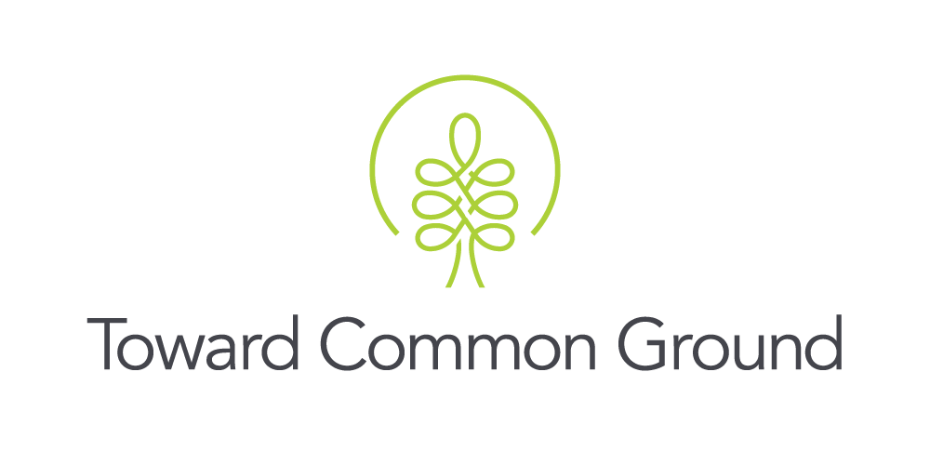

Local Demographic Highlights
Characteristic: Age Distribution
Measure: Number of People by Age Group
Source: Census of the Population

About the Measure: The census of the population is mandatory and conducted once every five years. The census gathers information from all Canadian citizens, landed immigrants and non-permanent residents (people who have a work or student permit or refugee status). The census captures information from the entire population about demographic, social, and economic characteristics.* This measure presents the population of people in Guelph and Wellington County organized by age groups of 5 years (e.g., people 0 to 4 years old) or 10 years (e.g., people 0 to 9 years old). *Source: Statistics Canada (2016). Census of Population. http://www23.statcan.gc.ca/imdb/p2SV.pl?Function=getSurvey&SDDS=3901

Key Findings: In 2021 in Guelph, there were more people age 25 to 29 years compared to all other age groups. The age group of 80 to 84 years had the fewest people. In Wellington County (not including Guelph), the age group with the most people was 55 to 59 years and the age group with the fewest people was 85 years and older. Our population is increasing with more people in almost every age bracket, with a few exceptions. From 2016 to 2021, the number of people age 0 to 4 years, and 50 to 54 years decreased in Guelph. In Wellington County, the number of people age 15 to 24 years and 45 to 54 years decreased. In both Guelph and Wellington County, the proportion of the population age 60 years and older experienced the highest rate of growth, followed by the proportion of the population age 25 to 39 years. People in Wellington County are older than in Guelph, Ontario, and Canada. In 2021, when compared to Guelph, Ontario, and Canada, Wellington County had a slightly larger proportion of residents who were 45 years old and older.

Table 1: Percent Change in Age Distribution by 5-Year Age Groups, 2016 and 2021
 | Guelph | Wellington County (without Guelph) | Wellington County | Ontario | Canada
0 to 4 | -1.1% | 6.4% | 2.0% | -2.0% | -3.6%
5 to 9 | 4.7% | 8.9% | 6.4% | 1.1% | 1.8%
10 to 14 | 7.4% | 5.8% | 6.7% | 6.5% | 10.6%
15 to 19 | 4.5% | -3.3% | 1.1% | -1.3% | -0.7%
20 to 24 | 4.4% | -0.7% | 2.7% | 0.1% | -1.8%
25 to 29 | 12.8% | 14.3% | 13.2% | 11.6% | 5.9%
30 to 34 | 16.2% | 20.1% | 17.5% | 13.5% | 8.1%
35 to 39 | 17.4% | 22.5% | 19.2% | 12.5% | 9.7%
40 to 44 | 3.5% | 1.0% | 2.6% | 2.1% | 6.4%
45 to 49 | 1.7% | -5.2% | -1.1% | -4.6% | -2.4%
50 to 54 | -6.0% | -16.7% | -10.8% | -10.9% | -11.6%
55 to 59 | 7.3% | 7.1% | 7.2% | 5.1% | 1.0%
60 to 64 | 15.6% | 16.8% | 16.2% | 14.2% | 12.3%
65 to 69 | 14.2% | 10.0% | 12.2% | 10.2% | 12.1%
70 to 74 | 35.8% | 32.6% | 34.3% | 30.8% | 30.0%
75 to 79 | 30.6% | 19.8% | 25.5% | 19.5% | 23.4%
80 to 84 | 18.6% | 12.4% | 15.8% | 11.7% | 12.1%
85 and over | 14.5% | 8.9% | 12.2% | 12.5% | 11.8%
Source: Statistics Canada. (2022). (table). Census Profile. 2021 Census of Population. Statistics Canada Catalogue no. 98-316-X2021001. Ottawa. Released April 27, 2022. https://www12.statcan.gc.ca/census-recensement/2021/dp-pd/prof/index.cfm?Lang=E (accessed May 4, 2022).
Source: Statistics Canada. (2017). Guelph, CY [Census subdivision], Ontario and Wellington, CTY [Census division], Ontario (table). Census Profile. 2016 Census. Statistics Canada Catalogue no. 98-316-X2016001. Ottawa. Released May 3, 2017. http://www12.statcan.gc.ca/census-recensement/2016/dp-pd/prof/index.cfm?Lang=E (accessed June 26, 2017).

Table 2: Age Distribution by 5-Year Age Groups, 2021
 | Guelph | Wellington County (without Guelph) | Wellington County | Ontario | Canada
0 to 4 | 7,425 | 5,460 | 12,885 | 683,515 | 1,831,195
5 to 9 | 8,070 | 6,015 | 14,085 | 764,430 | 2,054,900
10 to 14 | 8,010 | 6,130 | 14,140 | 803,850 | 2,126,705
15 to 19 | 8,410 | 5,945 | 14,355 | 801,455 | 2,012,975
20 to 24 | 10,525 | 5,330 | 15,855 | 895,600 | 2,202,255
25 to 29 | 11,095 | 5,025 | 16,120 | 975,400 | 2,421,510
30 to 34 | 10,980 | 5,475 | 16,455 | 981,210 | 2,518,835
35 to 39 | 10,335 | 5,710 | 16,045 | 948,030 | 2,511,345
40 to 44 | 9,210 | 5,410 | 14,620 | 890,160 | 2,399,405
45 to 49 | 9,190 | 5,825 | 15,015 | 894,580 | 2,304,170
50 to 54 | 9,085 | 6,445 | 15,530 | 941,270 | 2,368,350
55 to 59 | 9,470 | 7,830 | 17,300 | 1,040,160 | 2,647,330
60 to 64 | 8,390 | 7,275 | 15,665 | 966,575 | 2,571,580
65 to 69 | 6,940 | 6,140 | 13,080 | 813,215 | 2,210,970
70 to 74 | 5,920 | 5,230 | 11,150 | 691,280 | 1,847,585
75 to 79 | 4,165 | 3,475 | 7,640 | 469,485 | 1,260,930
80 to 84 | 3,000 | 2,310 | 5,310 | 325,110 | 840,545
85 and over | 3,520 | 2,255 | 5,775 | 338,620 | 861,395
Total | 143,740 | 97,285 | 241,025 | 14,223,945 | 36,991,980
Source: Statistics Canada. (2022). (table). Census Profile. 2021 Census of Population. Statistics Canada Catalogue no. 98-316-X2021001. Ottawa. Released April 27, 2022. https://www12.statcan.gc.ca/census-recensement/2021/dp-pd/prof/index.cfm?Lang=E (accessed May 4, 2022).

Table 3: Age Distribution by Selected Age Groups, 2021
 | Guelph | Wellington County (without Guelph) | Wellington County | Ontario | Canada
0 to 4 | 7,425 | 5,460 | 12,885 | 683,515 | 1,831,195
5 to 14 | 16,080 | 12,145 | 28,225 | 1,568,280 | 4,181,605
15 to 24 | 18,935 | 11,275 | 30,210 | 1,697,055 | 4,215,230
25 to 34 | 22,075 | 10,500 | 32,575 | 1,956,610 | 4,940,345
35 to 44 | 19,545 | 11,120 | 30,665 | 1,838,190 | 4,910,750
45 to 54 | 18,275 | 12,270 | 30,545 | 1,835,850 | 4,672,520
55 to 64 | 17,860 | 15,105 | 32,965 | 2,006,735 | 5,218,910
65 and over | 23,545 | 19,410 | 42,955 | 2,637,710 | 7,021,425
Total | 143,740 | 97,285 | 241,025 | 14,223,945 | 36,991,980
Source: Statistics Canada. (2022). (table). Census Profile. 2021 Census of Population. Statistics Canada Catalogue no. 98-316-X2021001. Ottawa. Released April 27, 2022. https://www12.statcan.gc.ca/census-recensement/2021/dp-pd/prof/index.cfm?Lang=E (accessed May 4, 2022).

Table 4: Share of the Population by Selected Age Groups, 2021
 | Guelph | Wellington County (without Guelph) | Wellington County | Ontario | Canada
0 to 4 | 5.2% | 5.6% | 5.3% | 4.8% | 5.0%
5 to 14 | 11.2% | 12.5% | 11.7% | 11.0% | 11.3%
15 to 24 | 13.2% | 11.6% | 12.5% | 11.9% | 11.4%
25 to 34 | 15.4% | 10.8% | 13.5% | 13.8% | 13.4%
35 to 44 | 13.6% | 11.4% | 12.7% | 12.9% | 13.3%
45 to 54 | 12.7% | 12.6% | 12.7% | 12.9% | 12.6%
55 to 64 | 12.4% | 15.5% | 13.7% | 14.1% | 14.1%
65 and over | 16.4% | 20.0% | 17.8% | 18.5% | 19.0%
Source: Statistics Canada. (2022). (table). Census Profile. 2021 Census of Population. Statistics Canada Catalogue no. 98-316-X2021001. Ottawa. Released April 27, 2022. https://www12.statcan.gc.ca/census-recensement/2021/dp-pd/prof/index.cfm?Lang=E (accessed May 4, 2022).

Table 5: Share of the Population by 5-Year Age Groups, 2021
 | Guelph | Wellington County (without Guelph) | Wellington County | Ontario | Canada
0 to 4 | 5.17% | 5.61% | 5.35% | 4.81% | 4.95%
5 to 9 | 5.61% | 6.18% | 5.84% | 5.37% | 5.55%
10 to 14 | 5.57% | 6.30% | 5.87% | 5.65% | 5.75%
15 to 19 | 5.85% | 6.11% | 5.96% | 5.63% | 5.44%
20 to 24 | 7.32% | 5.48% | 6.58% | 6.30% | 5.95%
25 to 29 | 7.72% | 5.17% | 6.69% | 6.86% | 6.55%
30 to 34 | 7.64% | 5.63% | 6.83% | 6.90% | 6.81%
35 to 39 | 7.19% | 5.87% | 6.66% | 6.67% | 6.79%
40 to 44 | 6.41% | 5.56% | 6.07% | 6.26% | 6.49%
45 to 49 | 6.39% | 5.99% | 6.23% | 6.29% | 6.23%
50 to 54 | 6.32% | 6.62% | 6.44% | 6.62% | 6.40%
55 to 59 | 6.59% | 8.05% | 7.18% | 7.31% | 7.16%
60 to 64 | 5.84% | 7.48% | 6.50% | 6.80% | 6.95%
65 to 69 | 4.83% | 6.31% | 5.43% | 5.72% | 5.98%
70 to 74 | 4.12% | 5.38% | 4.63% | 4.86% | 4.99%
75 to 79 | 2.90% | 3.57% | 3.17% | 3.30% | 3.41%
80 to 84 | 2.09% | 2.37% | 2.20% | 2.29% | 2.27%
85 and over | 2.45% | 2.32% | 2.40% | 2.38% | 2.33%
Source: Statistics Canada. (2022). (table). Census Profile. 2021 Census of Population. Statistics Canada Catalogue no. 98-316-X2021001. Ottawa. Released April 27, 2022. https://www12.statcan.gc.ca/census-recensement/2021/dp-pd/prof/index.cfm?Lang=E (accessed May 4, 2022).

Table 6: Age Distribution by 5-Year Age Groups, 2016
 | Guelph | Wellington County (without Guelph) | Wellington County | Ontario | Canada
0 to 4 | 7,505 | 5,130 | 12,635 | 697,360 | 1,898,790
5 to 9 | 7,710 | 5,525 | 13,235 | 756,085 | 2,018,130
10 to 14 | 7,460 | 5,795 | 13,255 | 754,530 | 1,922,645
15 to 19 | 8,050 | 6,150 | 14,200 | 811,670 | 2,026,160
20 to 24 | 10,080 | 5,365 | 15,445 | 894,390 | 2,242,690
25 to 29 | 9,840 | 4,395 | 14,235 | 874,350 | 2,285,990
30 to 34 | 9,450 | 4,560 | 14,010 | 864,765 | 2,329,395
35 to 39 | 8,800 | 4,660 | 13,460 | 842,485 | 2,288,365
40 to 44 | 8,895 | 5,355 | 14,250 | 871,875 | 2,255,135
45 to 49 | 9,035 | 6,145 | 15,180 | 937,385 | 2,359,965
50 to 54 | 9,670 | 7,735 | 17,405 | 1,056,345 | 2,678,075
55 to 59 | 8,825 | 7,310 | 16,135 | 989,460 | 2,620,240
60 to 64 | 7,255 | 6,230 | 13,485 | 846,145 | 2,290,510
65 to 69 | 6,075 | 5,580 | 11,655 | 737,745 | 1,972,480
70 to 74 | 4,360 | 3,945 | 8,305 | 528,645 | 1,420,875
75 to 79 | 3,190 | 2,900 | 6,090 | 393,010 | 1,021,850
80 to 84 | 2,530 | 2,055 | 4,585 | 291,185 | 749,650
85 and over | 3,075 | 2,070 | 5,145 | 301,075 | 770,780
Total | 131,805 | 90,905 | 222,710 | 13,448,505 | 35,151,725
Source: Statistics Canada. (2017). Guelph, CY [Census subdivision], Ontario and Wellington, CTY [Census division], Ontario (table). Census Profile. 2016 Census. Statistics Canada Catalogue no. 98-316-X2016001. Ottawa. Released May 3, 2017. http://www12.statcan.gc.ca/census-recensement/2016/dp-pd/prof/index.cfm?Lang=E (accessed June 26, 2017).

Notes: 1. If you have any questions or concerns about these data, please contact: sarahh@towardcommonground.ca

Updated: June 13, 2022

